About
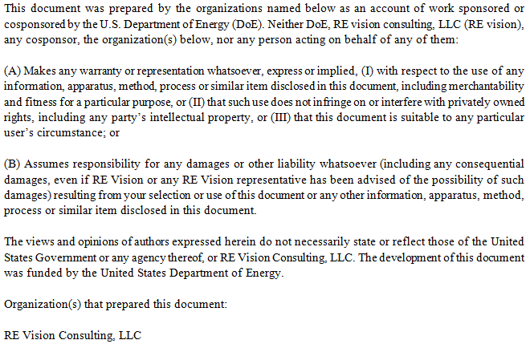
Cost Breakdown Structure for River Current Device

Created by |  | Mirko Previsic
Company |  | RE Vision Consulting, LLC
Contact |  | mirko@re-vision.net
Date |  | 2012-08-06

Comments/Notes
 | 1. This spreadsheet provides the background and details of the cost and economic assessment of the River Current Device
 | 2. This spreadsheet supports the primary reports on the River Current device
 | 3. Cost Estimates provided herein are based on concept design and engineering data and have high levels of uncertainties embedded

Disclaimer

Report Graphs
# of Units | 1 | 10 | 50 | 100
Installed Capacity (kW) | 89.51 | 895.1 | 4475.5 | 8951
Installed Capacity (MW) | 0.08951 | 0.8951 | 4.4755 | 8.951

 | Development | Infrastructure | Mooring/Foundation | Device Structural Components | Power Take Off | Subsystem Integration & Profit Margin | Installation | Contingency
1 | $942 | $148 | $22 | $296 | $847 | $114 | $530 | $290
10 | $1,998 | $219 | $217 | $2,074 | $3,372 | $545 | $701 | $913
50 | $2,434 | $723 | $1,085 | $9,101 | $9,793 | $1,889 | $1,555 | $2,658
100 | $2,588 | $1,398 | $2,170 | $17,602 | $15,887 | $3,349 | $2,692 | $4,569

 | Development | Infrastructure | Mooring/Foundation | Device Structural Components | Power Take Off | Subsystem Integration & Profit Margin | Installation | Contingency
1 | $10,520 | $1,650 | $240 | $3,300 | $9,470 | $1,280 | $5,920 | $3,240
10 | $2,230 | $240 | $240 | $2,320 | $3,770 | $610 | $780 | $1,020
50 | $540 | $160 | $240 | $2,030 | $2,190 | $420 | $350 | $590
100 | $290 | $160 | $240 | $1,970 | $1,770 | $370 | $300 | $510

 | Development | Infrastructure | Mooring/Foundation | Device Structural Components | Power Take Off | Subsystem Integration & Profit Margin | Installation | Contingency
10 | 11.0 | 1.2 | 1.2 | 11.4 | 18.6 | 3.0 | 3.9 | 5.0
50 | 2.7 | 0.8 | 1.2 | 10.0 | 10.8 | 2.1 | 1.7 | 2.9
100 | 1.4 | 0.8 | 1.2 | 9.7 | 8.8 | 1.8 | 1.5 | 2.5

 | Insurance | Environmental Monitoring & Regulatory Compliance | Marine Operations | Shoreside Operations | Replacement Parts | Consumables
1 | $39 | $128 | $7 | $9 | $16 | $2
10 | $143 | $174 | $71 | $53 | $64 | $6
50 | $241 | $174 | $354 | $151 | $186 | $19
100 | $215 | $174 | $708 | $271 | $302 | $30

 | Insurance | Environmental Monitoring & Regulatory Compliance | Marine Operations | Shoreside Operations | Replacement Parts | Consumables
1 | $440 | $1,420 | $80 | $100 | $180 | $20
10 | $160 | $190 | $80 | $60 | $70 | $10
50 | $50 | $40 | $80 | $30 | $40 | $0
100 | $20 | $20 | $80 | $30 | $30 | $0

 | Insurance | Environmental Monitoring & Regulatory Compliance | Marine Operations | Shoreside Operations | Replacement Parts | Consumables
10 | 7.0 | 8.5 | 3.5 | 2.6 | 3.1 | 0.3
50 | 2.4 | 1.7 | 3.5 | 1.5 | 1.8 | 0.2
100 | 1.1 | 0.9 | 3.5 | 1.3 | 1.5 | 0.1

 | Device | Infrastructure | Development | Installation | Contingency | Operation and Maintenance
10 | 34.2 | 1.2 | 11.0 | 3.9 | 5.0 | 25.0
50 | 24.1 | 0.8 | 2.7 | 1.7 | 2.9 | 11.0
100 | 21.5 | 0.8 | 1.4 | 1.5 | 2.5 | 8.3

Sensitvity Graphs

Mean Velocity | Peak Velocity | Avg Power Flux | LCoE
1.20 | 2.26
1.40 | 2.64
1.60 | 3.01
1.80 | 3.39
2.00 | 3.77
 |  |  |  | base case

1.20
1.40
1.60
1.80
2.00

2.26
2.64
3.01
3.39
3.77

Value
%

RESULTS
% | Value
10%
50%
90%

Performance & Economics
Technical Input Parameters |  |  |  |  |  |  |  |  |  |  | Resource and Performance Outputs

Note: Inputs shown in green

Turbine Parameters |  |  |  |  |  |  |  |  |  |  | Site Resource Parameters
 | Rotor Diameter |  | 6.45 | m |  |  |  |  |  |  |  | Average Current Speed | 1.25 | m/s
 | Rotor Height |  | 4.84 | m |  |  |  |  |  |  |  | Average Power Flux | 1.26 | kW/m^2
 | Rotors per Turbine |  | 2 | m |  |  |  |  |  |  |  | Peak Current Speed | 2.70 | m/s
 | Mid Rotor Depth |  | 4.84 | m |  |  |  |  |  |  |  | Max Power Flux | 8.86 | kW/m^2
 | Velocity Power Law Fit, "1 / x" |  | 6
 | Rotor Area |  | 62.4 | m^2
 | Generator Rated Capacity |  | 89.5 | kW |  |  |  |  |  |  | Energy Extraction
 | Gearbox Efficiency |  | 94.0% |  |  |  |  |  |  |  |  | Average Extracted Power | 32.2 | kW
 | Generator Efficiency |  | 88.9% |  |  |  |  |  |  |  |  | Average Electric Power | 25.1 | kW
 | Transformer Efficiency |  | 96.0% |  |  |  |  |  |  |  |  | Rated Electric Power | 89.510 | kW
 | Power Inverter Efficiency |  | 97.0% |  |  |  |  |  |  |  |  | Machine Capacity Factor | 28.00%
 |  |  |  |  |  |  |  |  |  |  |  | Annual Output | 204 | MWh/year
 |  |  |  |  |  |  |  |  |  |  |  | # of US homes equivalent | 19
Array Parameters |  |  | 0
 | Array/Turbine Availability |  | 95%
 | Transmission Efficiency |  | 98%

Device Performance
 |  | Surf Velocity | Freq. | Depth Adjusted | Water Depth | CP | P fluid | P Rotor | P Electric | Energy
 |  | m/s | Distrib. | Velocity m/s | m |  | kW | kW | kW | kWh/year
 |  | 0 | 0.00% | 0.00 | 0.000 | 0.000 | 0 | 0 | 0 | 0
 |  | 0.1 | 0.00% | 0.00 | 4.268 | 0.000 | 0 | 0 | 0 | 0
 |  | 0.2 | 0.00% | 0.16 | 6.819 | 0.000 | 0 | 0 | 0 | 0
 |  | 0.3 | 0.00% | 0.26 | 8.013 | 0.000 | 0 | 0 | 0 | 0
 |  | 0.4 | 0.03% | 0.35 | 9.151 | 0.000 | 1 | 0 | 0 | 0
 |  | 0.5 | 1.58% | 0.45 | 10.234 | 0.000 | 3 | 0 | 0 | 0
 |  | 0.6 | 4.37% | 0.55 | 11.266 | 0.000 | 5 | 0 | 0 | 0
 |  | 0.7 | 7.63% | 0.64 | 12.303 | 0.456 | 8 | 4 | 3 | 1,841
 |  | 0.8 | 10.69% | 0.74 | 13.231 | 0.456 | 13 | 6 | 5 | 3,934
 |  | 0.9 | 9.91% | 0.84 | 14.106 | 0.466 | 18 | 9 | 7 | 5,409
 |  | 1 | 8.23% | 0.94 | 14.939 | 0.468 | 26 | 12 | 9 | 6,268
 |  | 1.1 | 7.52% | 1.03 | 15.734 | 0.474 | 35 | 16 | 13 | 7,825
 |  | 1.2 | 6.43% | 1.13 | 16.497 | 0.476 | 45 | 22 | 17 | 8,820
 |  | 1.3 | 5.66% | 1.23 | 17.231 | 0.478 | 58 | 28 | 22 | 9,979
 |  | 1.4 | 5.45% | 1.33 | 17.940 | 0.481 | 73 | 35 | 27 | 12,171
 |  | 1.5 | 5.13% | 1.43 | 18.626 | 0.483 | 91 | 44 | 34 | 14,262
 |  | 1.6 | 4.46% | 1.52 | 19.292 | 0.479 | 111 | 53 | 41 | 14,992
 |  | 1.7 | 4.77% | 1.62 | 19.939 | 0.460 | 133 | 61 | 48 | 18,584
 |  | 1.8 | 4.12% | 1.72 | 20.569 | 0.437 | 159 | 70 | 54 | 18,188
 |  | 1.9 | 3.76% | 1.82 | 21.183 | 0.422 | 188 | 79 | 62 | 18,928
 |  | 2 | 3.42% | 1.92 | 21.783 | 0.405 | 220 | 89 | 69 | 19,342
 |  | 2.1 | 2.59% | 2.02 | 22.369 | 0.383 | 256 | 98 | 76 | 16,108
 |  | 2.2 | 1.52% | 2.11 | 22.942 | 0.347 | 295 | 102 | 80 | 9,892
 |  | 2.3 | 0.91% | 2.21 | 23.504 | 0.304 | 338 | 103 | 80 | 5,930
 |  | 2.4 | 0.57% | 2.31 | 24.054 | 0.269 | 386 | 104 | 81 | 3,780
 |  | 2.5 | 0.49% | 2.41 | 24.595 | 0.235 | 437 | 103 | 80 | 3,179
 |  | 2.6 | 0.47% | 2.51 | 25.125 | 0.207 | 493 | 102 | 79 | 3,013
 |  | 2.7 | 0.30% | 2.61 | 25.646 | 0.184 | 553 | 102 | 79 | 1,942
 |  | 2.8 | 0.00% | 2.71 | 26.159 | 0.000 | 0 | 0 | 0 | 0
 |  | 2.9 | 0.00% | 2.80 | 26.663 | 0.000 | 0 | 0 | 0 | 0
 |  | 3 | 0.00% | 2.90 | 27.160 | 0.000 | 0 | 0 | 0 | 0

Economic Parameters (Utility Generator Model)
 | Plant Life (years) |  | 20
 | Federal Tax Rate |  | 40%
 | State Tax Rate |  | 0%
 | Effective Tax Rate |  | 40.0%
 | Construction Finance Rate |  | 8%
 | % Construction Spending during Year 0 |  | 50%
 | % Construction Spending during Year 1 |  | 50%
 | Equity |  | 50%
 | Return on Equity |  | 10%
 | Debt |  | 50%
 | Return on Debt |  | 8%
 | Weighted Average Cost of Capital (After tax) |  | 7.25%
 | MACRS Depreciation | Year 1 | 20.0%
 |  | Year 2 | 32.0%
 |  | Year 3 | 19.2%
 |  | Year 4 | 11.5%
 |  | Year 5 | 11.5%
 |  | Year 6 | 5.8%
 | Annual Construction Multiplier - Year 1 |  | 1.02 | 1+(1-T)*[ (1+ (Construction Finance Rate))^(t+0.5) - 1 ]
 | Annual Construction Multiplier - Year 2 |  | 1.07 | 1+(1-T)*[ (1+ (Construction Finance Rate))^(t+0.5) - 1 ]
 | Construction Cost Multiplier (CCMult) |  | 1.0485
 | Capital Recovery Factor (WACC,Plant Life) |  | 0.096
 | PVdepr |  | 0.83
 | Fixed Charge Rate |  | 11.3% | CCmult*CRF*(1-T*PVdepr)/(1-T)

1.2
1.2 Infrastructure
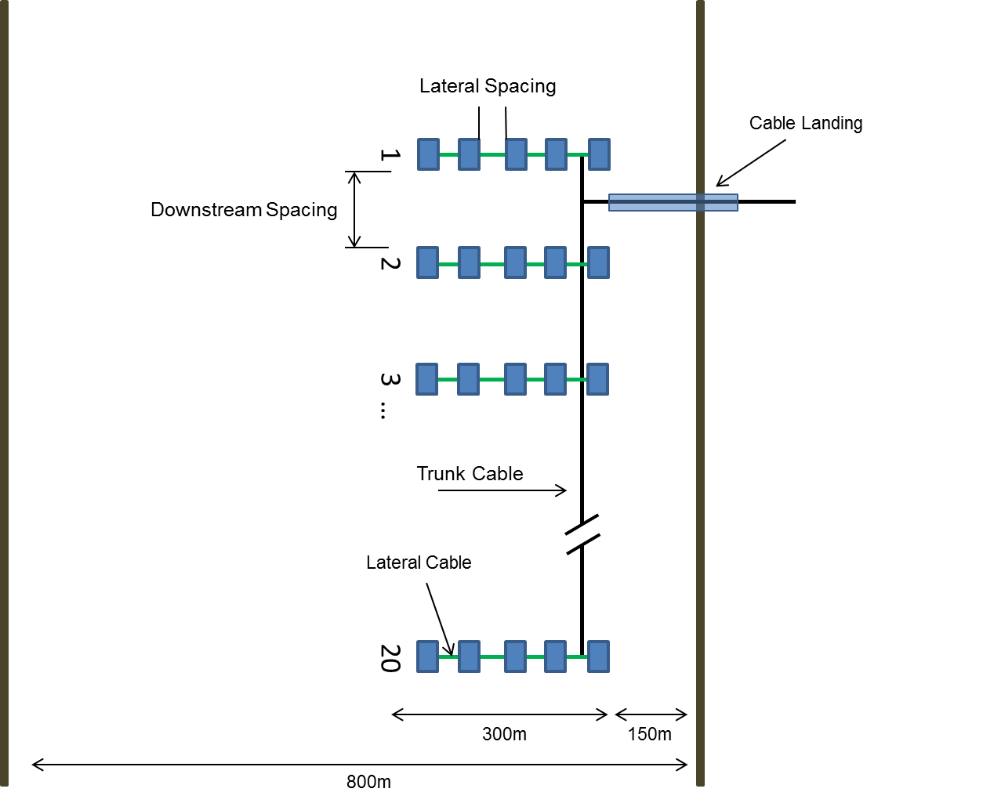
Cost Summary |  |  | Units | 1 | 10 | 50 | 100
 | 1.2.1 | Riverbed Cables |  | $43,200 | $108,000 | $475,200 | $907,200
 | 1.2.2 | Terminations and Connectors |  | $4,320 | $10,800 | $47,520 | $90,720
 | 1.2.3 | Dockside Improvements |  | $0 | $0 | $0 | $0
 | 1.2.4 | Dedicated O&M Vessel |  | $100,000 | $100,000 | $200,000 | $400,000
 | 1.2.5 | Other

 |  | Totals |  | $147,520 | $218,800 | $722,720 | $1,397,920

1.2.1 Subsea Cables |  |  |  | # | Units
 |  |  | 1 | 10 | 50 | 100
 | Computing Total Cable Lengths
 |  | # Cable Landings | 1 | 1 | 1 | 2
 |  | Site Distance to Shore | 300 | 300 | 300 | 300
 |  | Row to Row Spacing | 300 | 300 | 300 | 300
 |  | Device to Device Spacing | 70 | 70 | 70 | 70
 |  | # of Devices per Row | 5 | 5 | 5 | 5
 |  | # of Rows | 0 | 2 | 10 | 20
 |  | # of Lateral Cables | 0 | 8 | 40 | 80
 |  | Lateral Cable length (including Contingency) | 140 | 140 | 140 | 140
 |  | Total Lateral Cable Length (m) | 0 | 1,120 | 5,600 | 11,200
 |  | Total Trunk Cable Length (including Contingency) | 432 | 1,080 | 3,960 | 7,560
 | Subsea Cable Selection
 |  | Plant Capacity (MW) | 0.1 | 0.9 | 4.5 | 9.0
 |  | Voltager Level (kV) | 11 | 11 | 11 | 11
 |  | Conductor Area (mm^2) | 50 | 50 | 95 | 95
 |  | Cable Ampacity | 230 | 230 | 300 | 300
 |  | Cable Capacity (MVA) | 4.38 | 4.38 | 5.72 | 5.72
 | Cost
 |  | Trunk Cable Cost | $100 | $100 | $120 | $120
 |  | Lateral Cable Cost (included in 1.5) | $- | $- | $- | $-

 |  | Total | $43,200 | $108,000 | $475,200 | $907,200

1.2.2 Terminations and Connectors
 |  |  | 1-Unit | 10-Units | 50-Units | 100-Units
 |  | 10% of Subsea Cable Cost | $4,320 | $10,800 | $47,520 | $90,720

 |  | Cost | $4,320 | $10,800 | $47,520 | $90,720

1.2.3 Dockside Improvements
 |  |  | 1-Unit | 10-Units | 50-Units | 100-Units

 |  | None Considered

 |  | Cost | $0 | $0 | $0 | $0

1.2.4 Dedicated O&M Vessel
 |  |  | 1-Unit | 10-Units | 50-Units | 100-Units
 |  | # Vessels | 1 | 1 | 2 | 4
 |  | Vessel Cost | $100,000 | $100,000 | $100,000 | $100,000

 |  | Cost | $100,000 | $100,000 | $200,000 | $400,000

Cost Estimating Notes
 | 1.2.1 | Lateral cable length requires cable to go to riverbed and across to next device. Assumed cable length = 2x lateral spacing
 | 1.2.2 | Terminations and Connectors are difficult to estimate without a detailed design effort. Estimated them as 10% of Cable cost
 | 1.2.3 | Not estimated, but included in project contingency
 | 1.2.4 | Average vessel/crew can support up to 21 devices

Data Sources
 | 1.2.1 | RE Vision
 | 1.2.2 | RE Vision
 | 1.2.3 | RE Vision
 | 1.2.4 | RE Vision

