About
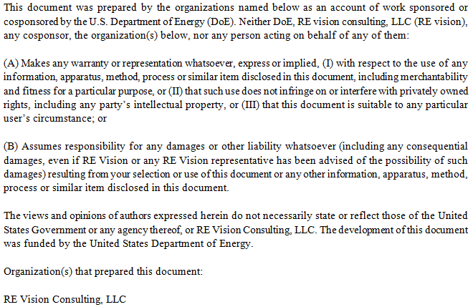
Cost Breakdown Structure for Ocean Current Device

Created by |  | Mirko Previsic
Company |  | RE Vision Consulting, LLC
Contact |  | mirko@re-vision.net
Date |  | 2012-07-24

Comments/Notes
 | 1. This spreadsheet provides the background and details of the cost and economic assessment of the Ocean Current Device
 | 2. This spreadsheet supports the primary reports on the Ocean Current device
 | 3. Cost Estimates provided herein are based on concept design and engineering data and have high levels of uncertainties embedded

Disclaimer

Report Graphs
# of Units | 1 | 10 | 50 | 100
Installed Capacity (kW) | 4000 | 40000 | 200000 | 400000
Installed Capacity (MW) | 4 | 40 | 200 | 400

 | Development | Infrastructure | Mooring/Foundation | Device Structural Components | Power Take Off | Subsystem Integration & Profit Margin | Installation | Contingency
4 | $10,800 | $34,900 | $2,200 | $8,900 | $21,600 | $3,000 | $12,800 | $8,300
40 | $22,300 | $36,100 | $18,400 | $58,600 | $150,400 | $20,900 | $33,000 | $31,700
200 | $42,700 | $74,800 | $89,900 | $249,500 | $600,800 | $85,000 | $95,800 | $119,600
400 | $49,000 | $119,700 | $179,500 | $475,800 | $1,098,700 | $157,400 | $186,500 | $221,700

 | Development | Infrastructure | Mooring/Foundation | Device Structural Components | Power Take Off | Subsystem Integration & Profit Margin | Installation | Contingency
4 | $2,700 | $8,720 | $560 | $2,210 | $5,410 | $760 | $3,200 | $2,090
40 | $560 | $900 | $460 | $1,460 | $3,760 | $520 | $830 | $790
200 | $210 | $370 | $450 | $1,250 | $3,000 | $430 | $480 | $600
400 | $120 | $300 | $450 | $1,190 | $2,750 | $390 | $470 | $550

 | Development | Infrastructure | Mooring/Foundation | Device Structural Components | Power Take Off | Subsystem Integration & Profit Margin | Installation | Contingency
40 | 1.1 | 1.8 | 0.9 | 2.9 | 7.4 | 1.0 | 1.6 | 1.6
200 | 0.4 | 0.7 | 0.9 | 2.5 | 5.9 | 0.8 | 0.9 | 1.2
400 | 0.2 | 0.6 | 0.9 | 2.3 | 5.4 | 0.8 | 0.9 | 1.1

 | Insurance | Environmental Monitoring & Regulatory Compliance | Marine Operations | Shoreside Operations | Replacement Parts | Consumables
4 | $1,700 | $1,500 | $100 | $300 | $700 | $0
40 | $6,300 | $2,000 | $1,100 | $400 | $4,600 | $200
200 | $12,000 | $2,000 | $5,700 | $1,000 | $20,600 | $900
400 | $11,100 | $2,000 | $11,500 | $1,800 | $40,000 | $1,700

 | Insurance | Environmental Monitoring & Regulatory Compliance | Marine Operations | Shoreside Operations | Replacement Parts | Consumables
4 | $420 | $370 | $30 | $80 | $180 | $0
40 | $160 | $50 | $30 | $10 | $110 | $0
200 | $60 | $10 | $30 | $10 | $100 | $0
400 | $30 | $10 | $30 | $0 | $100 | $0

 | Insurance | Environmental Monitoring & Regulatory Compliance | Marine Operations | Shoreside Operations | Replacement Parts | Consumables
40 | 2.8 | 0.9 | 0.5 | 0.2 | 2.0 | 0.1
200 | 1.0 | 0.2 | 0.5 | 0.1 | 1.8 | 0.1
400 | 0.5 | 0.1 | 0.5 | 0.1 | 1.7 | 0.1

 | Device | Infrastructure | Development | Installation | Contingency | Operation and Maintenance
40 | 12.2 | 1.8 | 1.1 | 1.6 | 1.6 | 6.4
200 | 10.1 | 0.7 | 0.4 | 0.9 | 1.2 | 3.7
400 | 9.4 | 0.6 | 0.2 | 0.9 | 1.1 | 3.0

Sensitvity Graphs

Mean Velocity | Peak Velocity | Avg Power Flux | LCoE
1.20 | 2.26 | 0.98 | 21.17
1.40 | 2.64 | 1.56 | 15.44
1.60 | 3.01 | 2.33 | 12.22
1.80 | 3.39 | 3.31 | 10.28
2.00 | 3.77 | 4.54 | 9.04
1.54 | 2.90 | 2.07 | 12.99

Value | 11.0 | 11.252584552 | 11.462527868 | 11.672471184 | 11.8824145 | 12.092357815 | 12.302301131 | 12.512244447 | 12.722187763 | 12.932131078 | 13.142074394 | 13.35201771 | 13.561961025 | 13.771904341 | 13.981847657 | 14.191790973 | 14.401734288 | 14.611677604 | 14.82162092 | 15.031564236
% | 0% | 0% | 0% | 0% | 0% | 0% | 2% | 9% | 22% | 41% | 62% | 81% | 92% | 98% | 100% | 100% | 100% | 100% | 100% | 100%

RESULTS
% | Value
10% | 12.53
50% | 13.02
90% | 13.52

11.042641237 | 0% | 12.53 | 0% | 13.52 | 0%
11.252584552 | 0% | 12.53 | 100% | 13.52 | 100%
11.462527868 | 0%
11.672471184 | 0%
11.8824145 | 0%
12.092357815 | 0%
12.302301131 | 2%
12.512244447 | 9%
12.722187763 | 22%
12.932131078 | 41%
13.142074394 | 62%
13.35201771 | 81%
13.561961025 | 92%
13.771904341 | 98%
13.981847657 | 100%
14.191790973 | 100%
14.401734288 | 100%
14.611677604 | 100%
14.82162092 | 100%
15.031564236 | 100%

Performance & Economics
Technical Input Parameters |  |  |  |  |  |  |  |  | Resource and Performance Outputs

Note: Inputs shown in green

Turbine Parameters |  |  |  |  |  |  |  |  | Site Resource Parameters
 | Rotor Diameter |  | 33.00 | m |  |  |  |  |  | Average Current Speed | 1.54 | m/s
 | Rotors per Turbine |  | 4 |  |  |  |  |  |  | Average Power Flux | 2.08 | kW/m^2
 | Rotor Depth |  | 50 | m |  |  |  |  |  | Peak Current Speed | 2.90 | m/s
 | Rotor Area |  | 3,421 | m^2 |  |  |  |  |  | Max Power Flux | 12.50 | kW/m^2
 | Gearbox Efficiency |  | 96%
 | Generator Efficiency |  | 98% |  |  |  |  |  | Energy Extraction
 | Generator Rated Capacity |  | 4.0 | MW |  |  |  |  |  | Average Extracted Power | 2.979 | MW
 |  |  |  |  |  |  |  |  |  | Average Electric Power | 2.803 | MW
Array Parameters |  |  | 0 |  |  |  |  |  |  | Rated Electric Power | 4.000 | MW
 | Array/Turbine Availability |  | 95% |  |  |  |  |  |  | Machine Capacity Factor | 70.08%
 | Transmission Efficiency |  | 98% |  |  |  |  |  |  | Annual Output | 22,861 | MWh/year
 |  |  |  |  |  |  |  |  |  | # of US homes equivalent | 2,156
Device Performance
 |  | Velocity | Freq. | CP | P fluid | P Rotor | P Electric | Energy
 |  | m/s | Distrib. |  | kW | kW | kW | kWh/year
 |  | 0 | 0.0% | 0.000 | 0 | 0 | 0 | 0
 |  | 0.1 | 0.0% | 0.000 | 0 | 0 | 0 | 0
 |  | 0.2 | 0.0% | 0.000 | 0 | 0 | 0 | 0
 |  | 0.3 | 0.0% | 0.000 | 0 | 0 | 0 | 0
 |  | 0.4 | 0.0% | 0.000 | 0 | 0 | 0 | 0
 |  | 0.5 | 0.2% | 0.483 | 219 | 106 | 100 | 1,922
 |  | 0.6 | 0.5% | 0.484 | 379 | 183 | 172 | 6,370
 |  | 0.7 | 0.5% | 0.484 | 601 | 291 | 274 | 10,074
 |  | 0.8 | 1.4% | 0.485 | 898 | 435 | 409 | 45,331
 |  | 0.9 | 1.9% | 0.485 | 1,278 | 620 | 583 | 89,136
 |  | 1 | 2.6% | 0.485 | 1,753 | 851 | 800 | 172,721
 |  | 1.1 | 3.8% | 0.485 | 2,334 | 1,133 | 1,066 | 331,041
 |  | 1.2 | 5.0% | 0.485 | 3,030 | 1,471 | 1,384 | 559,909
 |  | 1.3 | 6.9% | 0.485 | 3,852 | 1,869 | 1,759 | 984,630
 |  | 1.4 | 10.5% | 0.485 | 4,811 | 2,334 | 2,196 | 1,884,006
 |  | 1.5 | 13.1% | 0.485 | 5,918 | 2,869 | 2,700 | 2,884,395
 |  | 1.6 | 14.8% | 0.485 | 7,182 | 3,481 | 3,275 | 3,943,503
 |  | 1.7 | 15.2% | 0.464 | 8,614 | 3,998 | 3,761 | 4,657,933
 |  | 1.8 | 11.4% | 0.391 | 10,226 | 3,997 | 3,760 | 3,483,419
 |  | 1.9 | 6.8% | 0.332 | 12,026 | 3,994 | 3,758 | 2,084,817
 |  | 2 | 3.5% | 0.285 | 14,027 | 4,000 | 3,764 | 1,082,266
 |  | 2.1 | 1.2% | 0.244 | 16,238 | 3,969 | 3,734 | 368,665
 |  | 2.2 | 0.4% | 0.215 | 18,670 | 4,013 | 3,775 | 136,309
 |  | 2.3 | 0.2% | 0.188 | 21,333 | 4,007 | 3,770 | 60,485
 |  | 2.4 | 0.1% | 0.167 | 24,238 | 4,044 | 3,805 | 33,821
 |  | 2.5 | 0.1% | 0.148 | 27,396 | 4,046 | 3,806 | 18,147
 |  | 2.6 | 0.0% | 0.130 | 30,817 | 4,010 | 3,773 | 11,543
 |  | 2.7 | 0.0% | 0.117 | 34,511 | 4,051 | 3,811 | 6,577
 |  | 2.8 | 0.0% | 0.103 | 38,490 | 3,947 | 3,714 | 2,856
 |  | 2.9 | 0.0% | 0.095 | 42,763 | 4,059 | 3,818 | 736
 |  | 3 | 0.0% | 0.085 | 0 | 0 | 0 | 0

Economic Parameters (Utility Generator Model)
 | Plant Life (years) |  | 20
 | Federal Tax Rate |  | 40%
 | State Tax Rate |  | 0%
 | Effective Tax Rate |  | 40.0%
 | Construction Finance Rate |  | 8%
 | % Construction Spending during Year 0 |  | 50%
 | % Construction Spending during Year 1 |  | 50%
 | Equity |  | 50%
 | Return on Equity |  | 10%
 | Debt |  | 50%
 | Return on Debt |  | 8%
 | Weighted Average Cost of Capital (After tax) |  | 7.25%
 | MACRS Depreciation | Year 1 | 20.0%
 |  | Year 2 | 32.0%
 |  | Year 3 | 19.2%
 |  | Year 4 | 11.5%
 |  | Year 5 | 11.5%
 |  | Year 6 | 5.8%
 | Annual Construction Multiplier - Year 1 |  | 1.02 | 1+(1-T)*[ (1+ (Construction Finance Rate))^(t+0.5) - 1 ]
 | Annual Construction Multiplier - Year 2 |  | 1.07 | 1+(1-T)*[ (1+ (Construction Finance Rate))^(t+0.5) - 1 ]
 | Construction Cost Multiplier (CCMult) |  | 1.0485
 | Capital Recovery Factor (WACC,Plant Life) |  | 0.096
 | PVdepr |  | 0.83
 | Fixed Charge Rate |  | 11.3% | CCmult*CRF*(1-T*PVdepr)/(1-T)

1.2
References: Background on the device site and cable layout is found in section 2.1 of the main report

Cost Summary |  |  | Units | 1 | 10 | 50 | 100
 | 1.2.1 | Subsea Cables |  | $4,440,000 | $5,568,500 | $13,497,600 | $26,995,200
 | 1.2.2 | Terminations and Connectors |  | $444,000 | $556,850 | $1,349,760 | $2,699,520
 | 1.2.3 | Dockside Improvements |  | $- | $- | $- | $-
 | 1.2.4 | Dedicated O&M Vessel |  | $30,000,000 | $30,000,000 | $60,000,000 | $90,000,000
 | 1.2.5 | Other

 |  | Totals |  | $34,884,000 | $36,125,350 | $74,847,360 | $119,694,720

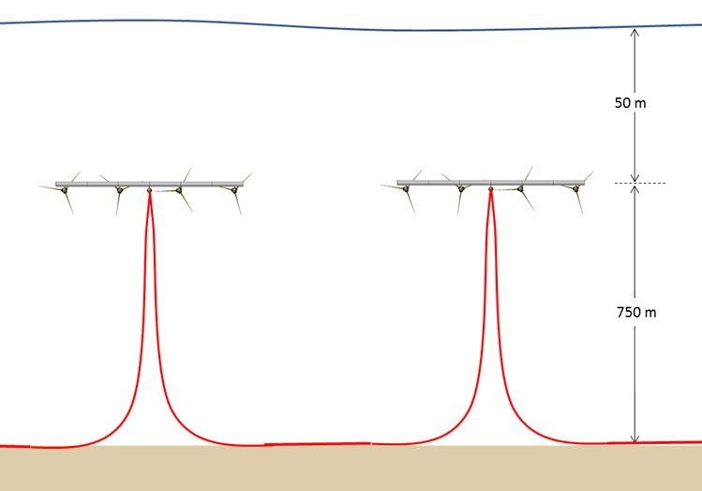
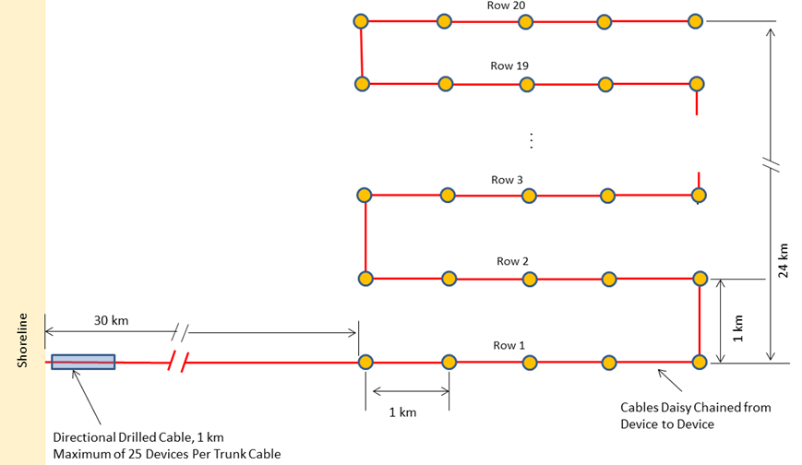
1.2.1 Subsea Cables
 | Determining Trunk-cable length
 |  | Site Distance to shore | 30,000 | m
 |  | Directional Drilling Distance | 1000 | m
 |  | Contingency (20%) | 6000 | m

 |  | Total Trunk Cable Length | 37,000 | m

 | Determining Riser-cable length
 |  | Device Centerline Spacing | 1000 | m
 |  | Water Depth | 700 | m
 |  | Contingency (20%) | 480 | m

 |  | Total Interconnect Cable Length | 2880 | m

 | Cable Specs 1-Unit
 |  | Voltage Level | 30 | kV
 |  | Ampacity | 245 | A
 |  | Cable Capacity | 12.7 | MVA
 |  | Total Length | 37,000
 |  | Conductor Size | 70 | mm^2
 |  | Cable OD | 100.6 | mm
 |  | Cable Weight | 18.2 | kg/m
 |  | Unit Cost | 120 | $/m
 |  | Cost | $4,440,000

 | Cable Specs 10-Units
 |  | Voltage Level | 45 | kV
 |  | Ampacity | 530 | A
 |  | Cable Capacity | 41.3 | MVA
 |  | Conductor Size | 300 | mm^2
 |  | Cable OD | 130 | mm
 |  | Cable Weight | 32.9 | kg/m
 |  | Unit Cost | 150.5 | $/m
 |  | Cost | $5,568,500

 | Cable Specs 50 Units
 |  | Voltage Level | 110 | kV
 |  | Ampacity | 530 | A
 |  | Required Capacity | 101 | MVA
 |  | # Parallel Trunk Cables | 2
 |  | Conductor Size | 300 | mm^2
 |  | Cable OD | 157 | mm
 |  | Cable Weight | 44.1 | kg/m
 |  | Unit Cost | 182.4 | $/m
 |  | Cost | $13,497,600

 | Cable Specs 100 Units
 |  | Voltage Level | 110 | kV
 |  | Ampacity | 530 | A
 |  | Cable Capacity | 101 | MVA
 |  | # Parallel Trunk Cables | 4
 |  | Conductor Size | 300 | mm^2
 |  | Cable OD | 157 | mm
 |  | Cable Weight | 44.1 | kg/m
 |  | Unit Cost | 182.4 | $/m
 |  | Cost | $26,995,200

1.2.2 Terminations and Connectors |  |  | 1-Unit | 10-Units | 50-Units | 100-Units
 |  | Trunk-cable cost | $4,440,000 | $5,568,500 | $13,497,600 | $26,995,200
 |  | Percentage of Cable Cost Assumption | 10% | 10% | 10% | 10%

 |  | Cost | $444,000 | $556,850 | $1,349,760 | $2,699,520

1.2.3 Dockside Improvements
 | Note: Not estimated, but included in project contingency

1.2.4 Dedicated O&M Vessel

 | System Requirements
 |  | ABS DP Class 2
 |  | Station Keeping in 4-6 knot current
 |  | Transit Speed of 8 knots
 |  | Towing Wing-assembly at 6 knots
 |  | Cable Replacement/repairs of riser cables (Cable tank below deck to save deck-space)
 |  | Operation of small workclass ROV for underwater inspection activities down to 1000m
 |  | Jones Act Comliant

 | System Concept
 |  | Purchase existing OSV vessel suitable for conversion. A basic search of vessels found existing options in the range of $20M-$40M.
 |  | Vessel Conversion to meet specific requirements
 |  | Use as dedicated vessel
 |  | Cost - Estimated at $30M per vessel. Each vessel can continously operate and maintain about 40 devices.

 |  |  | 1-Unit | 10-Units | 50-Units | 100-Units
 |  | Vessel Capex | $30,000,000 | $30,000,000 | $60,000,000 | $90,000,000

Data Sources
 | 1.2.1 | RE Vision
 | 1.2.2 | RE Vision
 | 1.2.3 | N/A
 | 1.2.4 | RE Vision

2.3
References
Marine Operational Aspects are discussed in section 2.6.4 of the main report
Failure Rate Assumptions are discussed in section 2.6.1 of the main report. In excel format, those are re-stated in sheet 2.
Scheduled Maintenance Assumptions are outlined in section 2.6.2 of the main report
O&M Vessel Cost is included in the CAPEX of the plant and shown in 1.2.4

Cost Summary
 |  |  | Units | 1 | 10 | 50 | 100
 | 2.3 | Marine Operations |  | $114,995 | $1,149,954 | $5,749,770 | $11,499,540

Estimating Failure Rates per Year
 | Failure Rates based on Wind Turbine analog
 | Failure Rates reduced by using redundancy assumptions (all items in blue)
 | Redundancy measure will double cost of components and eliminate the need to trigger a direct intervention
 | Some redundancy measures proposed may have to be demonstrated. I.e. redundant pitch actuator. I.e. we assume that these measures can be implemented.
 | Redundant systems are assumed to bring reliability to 100%. I.e. no secondary failure of the redundant system is assumed. This is consistent with what has been done in wind.
 | Yaw drive and yaw bearings are removed because they are not existent

 | Table Failure Analysis from 1MW Wind Turbine System using NREL reliability data

Project Annual O&M Cost
1 | 1
Project Annual O&M Cost
1 | 1
 | System | Component | Parts per turbine | Total Failures over 20 yrs / initial qty parts in fleet (%) | # Failures per Unit | Action | # Interventions per Unit
 | Rotor | Blade--struct. repair | 3 | 5% | 0.150 | Recovery | 0.150
 |  | Blade--nonstruct. repair | 3 | 100% | 3.000 | Redundancy | 0.000
 |  | Pitch bearing | 3 | 5% | 0.150 | Recovery | 0.150
 |  | Pitch motor | 3 | 123% | 3.690 | Recovery | 3.690
 |  | Pitch gear | 3 | 143% | 4.290 | Recovery | 4.290
 |  | Pitch drive | 3 | 117% | 3.510 | Recovery | 3.510
 | Drivetrain | Main bearing | 1 | 5% | 0.050 | Recovery | 0.050
 |  | High-speed coupling | 1 | 39% | 0.390 | Recovery | 0.390
 | Gearbox and Lube | Gearbox--gear & brgs | 1 | 5% | 0.050 | Recovery | 0.050
 |  | Gearbox--brgs, all | 1 | 67% | 0.670 | Recovery | 0.670
 |  | Gearbox--high speed only | 1 | 67% | 0.670 | Recovery | 0.670
 |  | Lube pumps | 3 | 147% | 4.410 | Redundancy
 |  | Cooling Fan, Gearbox Cooling | 2 | 97% | 1.940 | Redundancy
 | Generator and Cooling | Generator--rot. & brgs | 1 | 5% | 0.050 | Recovery | 0.050
 |  | Generator--brgs only | 2 | 92% | 1.840 | Recovery | 1.840
 |  | Motor, generator coolant fan | 2 | 97% | 1.940 | Redundancy
 |  | Contactor, generator | 3 | 78% | 2.340 | Recovery | 2.340
 | Brakes & Hydraulics | Brake caliper | 3 | 194% | 5.810 | Redundancy
 |  | Brake Pads | 2 | 10% | 0.200 | Redundancy
 |  | Accumulator | 1 | 340% | 3.400 | Redundancy
 |  | Hydraulic pump | 1 | 146% | 1.460 | Redundancy
 |  | Hydraulic valve | 4 | 148% | 5.900 | Redundancy
 | Control System | Control board, Top | 1 | 117% | 1.170 | Redundancy
 |  | Control board, Main | 1 | 117% | 1.170 | Redundancy
 |  | Control Module | 2 | 117% | 2.340 | Redundancy
 |  | Sensor, static | 17 | 128% | 21.830 | Redundancy
 |  | Sensor, dynamic | 2 | 156% | 3.120 | Redundancy
 | Electrical and Grid | Main Contactor | 1 | 77% | 0.770 | Recovery | 0.770
 |  | Main Circuit Breaker | 1 | 37% | 0.370 | Recovery | 0.370
 |  | Frequency Converter | 1 | 160% | 1.600 | Recovery | 1.600
 | Misc. (All others) | Miscellaneous Parts | 1 | 5% | 0.050 | Recovery | 0.050
 |  |  |  |  | 78 |  | 20.64
 |  |  |  | # Repairs per Unit-Year | 3.9 | Per Year | 1.03

 | Summary
 | # repairs if no redundancy measure is introduced |  | 3.9
 | Redundant system faulure per rotor and year |  | 1.0
 | Annual Maintenance Cycle |  | 1.0
 | Average number of interventions per machine and year |  | 5.1

 | Regular Maintenance would have to be carried out to: (1) replace filter elements, (2) repair non-critical elements (refurbishments), (3) replace gearbox oil, (4) clean off biofouling and spot-repainting.
 | Such regular maintenance is carried out once per year. To get to a regular intervention cycle of 1/year, the gearbox lubrication system has to be specifically design for that purpose.

Determining Ops Day-rate |  |  | #
 | Estimated Required Vessel Crew |  | 9
 | Estimated Deck Crew |  | 11
 | Estimated 24-hour cost for crew |  | $17,925
 | Fuel and Consumables |  | $4,500

 | Total Ops day-rate |  | $22,425

 | Notes
 | 1 - this is based on average rate for independent contractor personnel. If Owner has some in-house crew, some cost savings could be attained.
 | 2 - Assumes that crew is local and no per-diem charges are incurred
 | 3 - Fuel assumed at $3.2 per gallon

Estimating Ship Utilization
 | Average Vessel Utilization |  | 60%
 | # Ops-days per year |  | 219
 | # days/device |  | 5.1
 | # devices/O&M vessel |  | 43

 | Notes:
 | 1 - This includes downtime due to weather windows and operational contingency. I.e. not all failure events occur spread-out evenly over the year.
 | 2 - No operational plan optimization was carried out. Design features and associated operational processes are not well-enough defined to do that.

Computing Annual Marine Operational Cost |  |  | 1-Unit | 10-Units | 50-Units | 100-Units
 | # Deployment/Recovery Operations per year |  | 5 | 51 | 256 | 513
 | Operational Cost per Intervention |  | $22,425 | $22,425 | $22,425 | $22,425

 | Total |  | $114,995 | $1,149,954 | $5,749,770 | $11,499,540

